Assignment
UserDetails | Refer to the previous HTML created in Day3. Add 2 more textboxes to this HTML (userid & password) Write a servlet class to process the form submitted in the previous page i.e. output the form values to the console. The values should be printed to the console using both GET & POST methods.

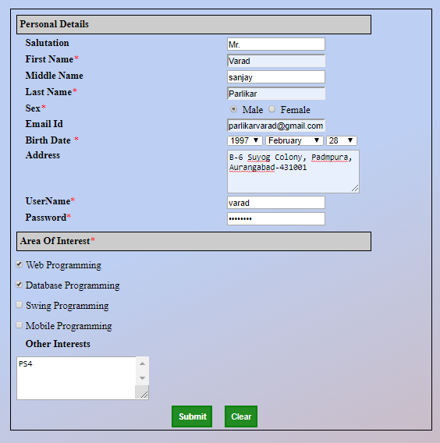
Input Screen

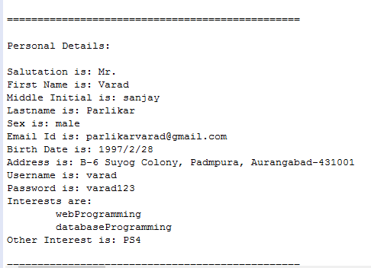
Output Screen

Evidence
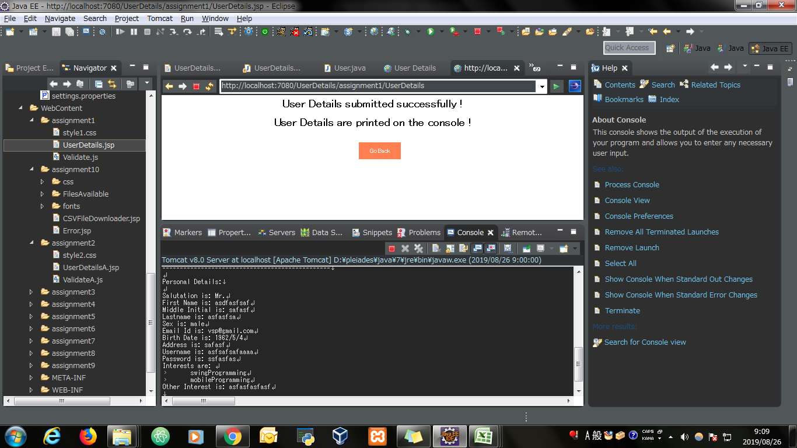
Screen shoot 1: | Page Load

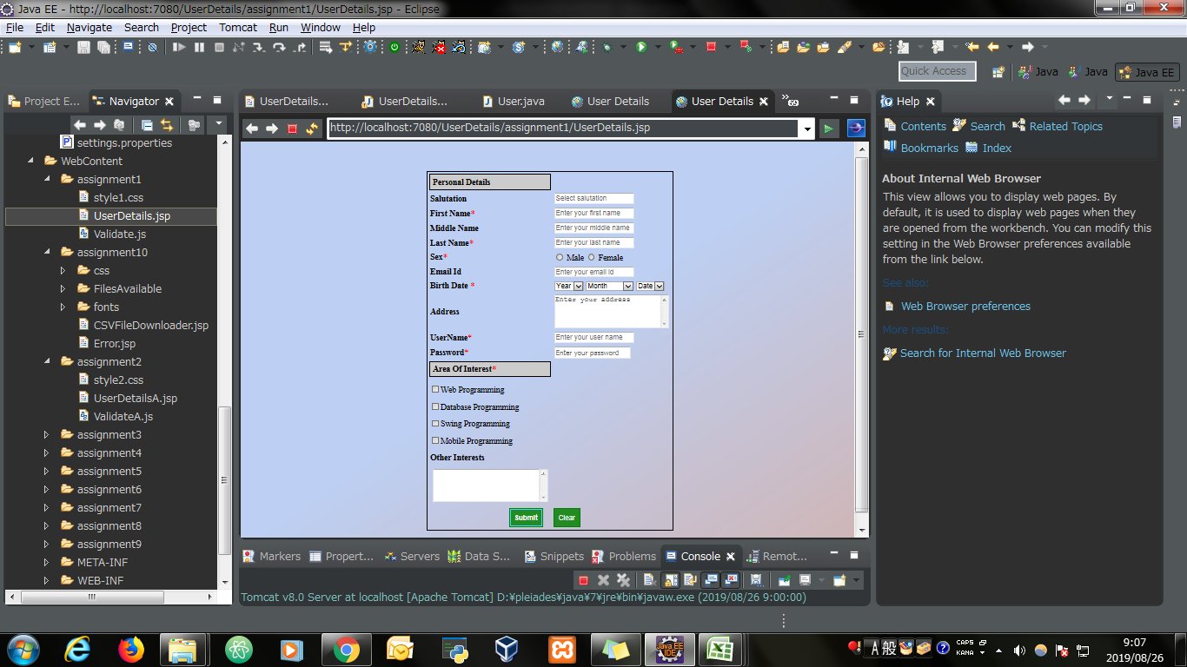

Screen shoot 2: | Error Message

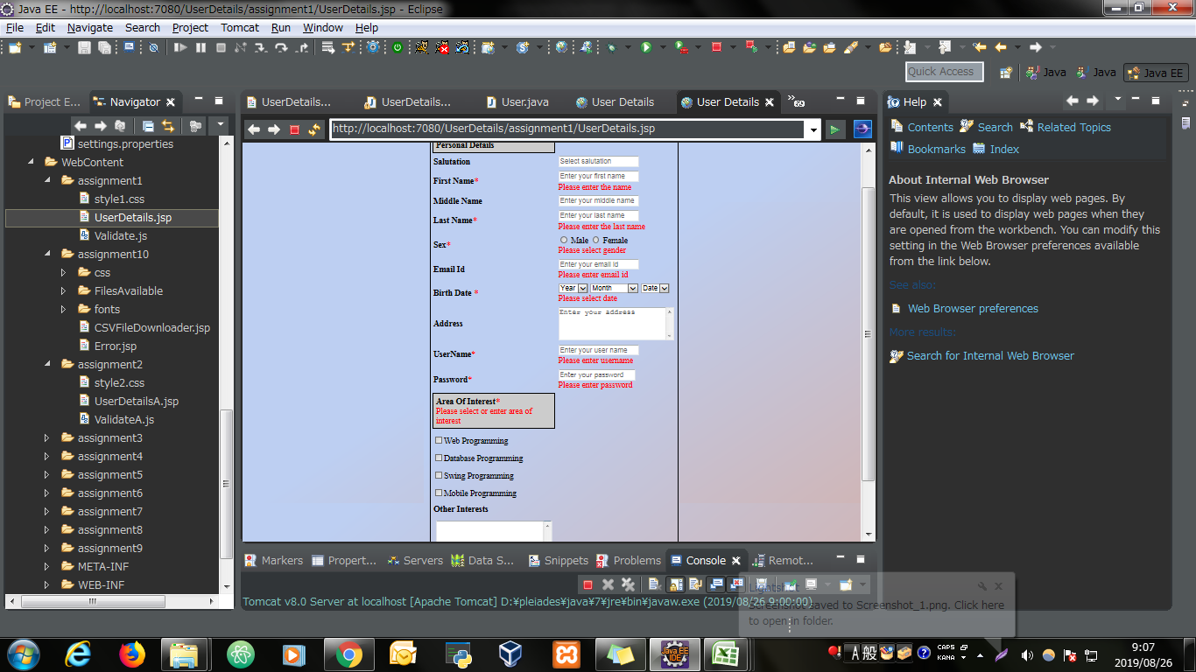

Screen shoot 3: | Successfully display data and save to database

